KKO
KAJIAN KELAYAKAN OPERASI

DAYA LAMA |  |  |  | DAYA BARU
Nama Pelanggan | : | YAYSAN AL MADINA |  | Nama Pelanggan | : | YAYSAN AL MADINA
Daya Lama (VA) | : | 23000 |  | Daya Baru (VA) | : | 53000
Jumlah Fasa | : | 3 | * | Jumlah Fasa | : | 3
Tegangan Sekunder Pengukuran rata-rata (Fasa-Netral) (V) | : | 380 | * | Tegangan Sekunder Pengukuran rata-rata (Fasa-Netral) (V) | : | 380
Beban Pelanggan (A) | : | 34.94 |  | Beban Pelanggan (A) | : | 80.53

SUPLAI TRAFO EKSISTING |  |  |  | SUPLAI TRAFO RENCANA
Nomor Tiang | : |  |  | Nomor Tiang | :
Penyulang | : |  |  | Penyulang | :
Daya | : |  | * | Daya | : | 100
Jumlah Fasa | : |  | * | Jumlah Fasa | : | 3
Beban TRAFO (Pengukuran Lapangan) |  | 35 |  | Beban TRAFO | : | 80.53
Beban Primer | : | 0.00 | * | Beban Primer | : | 2.89
Beban Sekunder | : | 0.00 | * | Beban Sekunder | : | 151.93
Beban (A) | : | 0.00 |  | Beban (A) | : | 0.15
Prosentase Pembebanan | : | #DIV/0! |  | Beban (A) | : | 53%
 | 53% | 100%
Prosentase Pembebanan | : | 100% |  | Beban (A) | : | 100%

DATA





DATA
Tahun | : | 2022
Discount Rate | : | 12%
Transfer price TM | : | 1,084 |  | Marginal COST maret 2022
Umur ekonomis (tahun) | : | 25.00
Selisih Susut Teknis | : | 2.25%
∑ Daya | : | 30
BP (Rp) | : | 29,070,000
RAB (Rp) | : | 21,460,235
Biaya O&M (2% invest) | : | 429,204.70

Nama Pelanggan | : | YAYSAN AL MADINA | *
Golongan Pelanggan | : | S2 | *
Jenis Layanan | : | REGULER | *
Daya Lama (kVA) | : | 23 | *
Daya Baru (kVA) | : | 53 | *
Tarif WBP (Rp/kWh) | : | 900.00 | *
Tarif LWBP (Rp/kWh) | : | 900.00 | *
BP (Rp/VA) TR | : | 969 | *
Jam Nyala | : | 40 | *

KKF
 | II. KAJIAN KELAYAKAN FINANSIAL (KKF) |  |  |  | YAYSAN AL MADINA

 | Tahun | Energi (kWh) | E WBP (kWh) | E LWBP (kWh) | Cost (Juta IDR) |  |  |  |  | Benefit (Juta IDR) |  |  | Nett Benefit | Factor PV | PV Net Benefit | ΣPV Net Benefit | Pay Back Periode
 |  |  |  |  | Invest | O&M | Transfer Price | Losses | Total | BP | E Sales | Total
0 | 2023 | 9,600.00 | 1,600.00 | 8,000.00 | 21.46 | 0.43 | 10.41 | 0.23 | 32.53 | 29.07 | 8.64 | 37.71 | 5.18 | 1 | 5.18 | 5.18
1 | 2024 | 14,400.00 | 2,400.00 | 12,000.00 |  | 0.43 | 15.61 | 0.35 | 16.39 |  | 12.96 | 12.96 | (3.43) | 0.89 | (3.06) | 2.11
2 | 2025 | 14,400.00 | 2,400.00 | 12,000.00 |  | 0.43 | 15.61 | 0.35 | 16.39 |  | 12.96 | 12.96 | (3.43) | 0.80 | (2.74) | (0.62)
3 | 2026 | 14,400.00 | 2,400.00 | 12,000.00 |  | 0.43 | 15.61 | 0.35 | 16.39 |  | 12.96 | 12.96 | (3.43) | 0.71 | (2.44) | (3.06)
4 | 2027 | 14,400.00 | 2,400.00 | 12,000.00 |  | 0.43 | 15.61 | 0.35 | 16.39 |  | 12.96 | 12.96 | (3.43) | 0.64 | (2.18) | (5.24)
5 | 2028 | 14,400.00 | 2,400.00 | 12,000.00 |  | 0.43 | 15.61 | 0.35 | 16.39 |  | 12.96 | 12.96 | (3.43) | 0.57 | (1.95) | (7.19)
6 | 2029 | 14,400.00 | 2,400.00 | 12,000.00 |  | 0.43 | 15.61 | 0.35 | 16.39 |  | 12.96 | 12.96 | (3.43) | 0.51 | (1.74) | (8.93)
7 | 2030 | 14,400.00 | 2,400.00 | 12,000.00 |  | 0.43 | 15.61 | 0.35 | 16.39 |  | 12.96 | 12.96 | (3.43) | 0.45 | (1.55) | (10.48)
8 | 2031 | 14,400.00 | 2,400.00 | 12,000.00 |  | 0.43 | 15.61 | 0.35 | 16.39 |  | 12.96 | 12.96 | (3.43) | 0.40 | (1.39) | (11.87)
9 | 2032 | 14,400.00 | 2,400.00 | 12,000.00 |  | 0.43 | 15.61 | 0.35 | 16.39 |  | 12.96 | 12.96 | (3.43) | 0.36 | (1.24) | (13.11)
10 | 2033 | 14,400.00 | 2,400.00 | 12,000.00 |  | 0.43 | 15.61 | 0.35 | 16.39 |  | 12.96 | 12.96 | (3.43) | 0.32 | (1.10) | (14.21)
11 | 2034 | 14,400.00 | 2,400.00 | 12,000.00 |  | 0.43 | 15.61 | 0.35 | 16.39 |  | 12.96 | 12.96 | (3.43) | 0.29 | (0.99) | (15.20)
12 | 2035 | 14,400.00 | 2,400.00 | 12,000.00 |  | 0.43 | 15.61 | 0.35 | 16.39 |  | 12.96 | 12.96 | (3.43) | 0.26 | (0.88) | (16.08)
13 | 2036 | 14,400.00 | 2,400.00 | 12,000.00 |  | 0.43 | 15.61 | 0.35 | 16.39 |  | 12.96 | 12.96 | (3.43) | 0.23 | (0.79) | (16.87)
14 | 2037 | 14,400.00 | 2,400.00 | 12,000.00 |  | 0.43 | 15.61 | 0.35 | 16.39 |  | 12.96 | 12.96 | (3.43) | 0.20 | (0.70) | (17.57)
15 | 2038 | 14,400.00 | 2,400.00 | 12,000.00 |  | 0.43 | 15.61 | 0.35 | 16.39 |  | 12.96 | 12.96 | (3.43) | 0.18 | (0.63) | (18.20)
16 | 2039 | 14,400.00 | 2,400.00 | 12,000.00 |  | 0.43 | 15.61 | 0.35 | 16.39 |  | 12.96 | 12.96 | (3.43) | 0.16 | (0.56) | (18.75)
17 | 2040 | 14,400.00 | 2,400.00 | 12,000.00 |  | 0.43 | 15.61 | 0.35 | 16.39 |  | 12.96 | 12.96 | (3.43) | 0.15 | (0.50) | (19.25)
18 | 2041 | 14,400.00 | 2,400.00 | 12,000.00 |  | 0.43 | 15.61 | 0.35 | 16.39 |  | 12.96 | 12.96 | (3.43) | 0.13 | (0.45) | (19.70)
19 | 2042 | 14,400.00 | 2,400.00 | 12,000.00 |  | 0.43 | 15.61 | 0.35 | 16.39 |  | 12.96 | 12.96 | (3.43) | 0.12 | (0.40) | (20.10)
20 | 2043 | 14,400.00 | 2,400.00 | 12,000.00 |  | 0.43 | 15.61 | 0.35 | 16.39 |  | 12.96 | 12.96 | (3.43) | 0.10 | (0.36) | (20.46)
21 | 2044 | 14,400.00 | 2,400.00 | 12,000.00 |  | 0.43 | 15.61 | 0.35 | 16.39 |  | 12.96 | 12.96 | (3.43) | 0.09 | (0.32) | (20.77)
22 | 2045 | 14,400.00 | 2,400.00 | 12,000.00 |  | 0.43 | 15.61 | 0.35 | 16.39 |  | 12.96 | 12.96 | (3.43) | 0.08 | (0.28) | (21.06)
23 | 2046 | 14,400.00 | 2,400.00 | 12,000.00 |  | 0.43 | 15.61 | 0.35 | 16.39 |  | 12.96 | 12.96 | (3.43) | 0.07 | (0.25) | (21.31)
24 | 2047 | 14,400.00 | 2,400.00 | 12,000.00 |  | 0.43 | 15.61 | 0.35 | 16.39 |  | 12.96 | 12.96 | (3.43) | 0.07 | (0.23) | (21.54)
25 | 2047 | 14,400.00 | 2,400.00 | 12,000.00 |  | 0.43 | 15.61 | 0.35 | 16.39 |  | 12.96 | 12.96 | (3.43) | 0.06 | (0.20) | (21.74)
 |  |  |  |  | Total Cost |  |  |  | 442.33 | Total Benefit |  | 361.71
 |  |  |  |  |  |  |  |  |  |  |  |  |  |  | BEP | (9)
 |  |  |  |  |  |  |  |  |  |  |  |  |  |  | PP | #DIV/0!
 |  |  |  |  |  |  |  |  |  |  |  |  |  |  | BCR | 0.82

 |  |  |  |  |  |  |  |  |  |  |  |  |  |  | NPV | (19.41)
 |  |  |  |  |  |  |  |  |  |  |  |  |  |  | IRR | 66.27%

RAB
 |  | PT. PLN ( PERSERO )
 |  | UNIT INDUK DISTRIBUSI JAWA TENGAH & DI YOGYAKARTA |  |  |  |  |  |  |  |  |  | RAB TOTAL
 |  | UP3 DEMAK |  |  |  |  |  |  |  |  | RAB TOTAL | RAB NON MDU
 | RENCANA ANGGARAN BIAYA (RAB)

 |  |  |  | Pekerjaan | : | YAYSAN AL MADINA
 |  |  |  | Lokasi | : | JL MERAK DEMPET DS MERAK RT 1 RW 1, MERAK, DEMPET
 |  |  |  | Pelaksana | : | UP3 DEMAK
 |  |  |  | Anggaran | : | SAR 2023

Note !! 1. Saat Pengisian Uraian di mohon memasukan nama material sesuai dengan nama material di harga satuan
2. Mohon di cek kembali saat pengisian volume material
3. Untuk program Sarana Penunjang Fungsi tidak perlu SLO.
 | NO | URAIAN | GOL | SAT | VOL | HARGA SATUAN | BIAYA YANG DIPERLUKAN ( Rp )
 |  |  |  |  |  |  | MDU | HARDWARE | JASA | JUMLAH

 | I | PEMASANGAN TIANG |  |  |  | 0 | 0 | 0 | 0 | 0
 |  |  |  |  |  | 0 | 0 | 0 | 0 | 0
#REF! | II | PEMASANGAN TRAFO |  |  |  | 0 | 0 | 0 | 0 | 0
 |  |  |  |  |  | 0 | 0 | 0 | 0 | 0
 | III | PEMASANGAN KONSTRUKSI |  |  |  | 0 | 0 | 0 | 0 | 0
 |  |  |  |  |  | 0 | 0 | 0 | 0 | 0
 | IV | PEMASANGAN APP |  |  |  | 0 | 0 | 0 | 0 | 0
 |  |  |  |  |  | 0 | 0 | 0 | 0 | 0
 | + | Daya 53.000 VA |  | Unit | 1 | 0 | 0 | 0 | 0 | 0
 | 1 | KWH Elektronik; 3P; 4W; 220/380V; 5(10); kls 1 (Pengukuran Tidak Langsung) | MDU-KD | Bh | 1 | 1,504,200 | 1,504,200 | 0 | 0 | 1,504,200
 | 2 | Smart Box Tidak Langsung Daya 53 kVA MCCB 80 A | MDU-KD | Unit | 1 | 13,644,300 | 13,644,300 | 0 | 0 | 13,644,300
 | 3 | Modem 3G/4G | HDW | Unit | 1 | 1,113,900 | 0 | 1,113,900 | 0 | 1,113,900
 | 4 | NFA2X-T 3x70+1x70 | MDU-KD | Mtr | 35 | 54,500 | 1,907,500 | 0 | 0 | 1,907,500
 | 5 | Upah Pasang SR + APP 3 Fasa | JASA | Unit | 1 | 106,400 | 0 | 0 | 106,400 | 106,400
 | 6 | Upah Bongkar SR + APP 3 Fasa | JASA | Unit | 1 | 63,840 | 0 | 0 | 63,840 | 63,840
 |  |  |  |  |  | 0 | 0 | 0 | 0 | 0
 | + | Pemasangan APP 3 Fasa Di Bangunan |  | Unit | 1 | 0 | 0 | 0 | 0 | 0
 | 1 | Strain Hook Clamp 1 ½" | HDW | Set | 1 | 11,500 | 0 | 11,500 | 0 | 11,500
 | 2 | Klem Bugel untuk tiang atap 1 ½" | HDW | Set | 1 | 6,200 | 0 | 6,200 | 0 | 6,200
 | 3 | Gas Pipe 1 ½" x 1.5 Meter | HDW | Btg | 1 | 45,796 | 0 | 45,796 | 0 | 45,796
 | 4 | Protective Cup Plastik 1 ½" | HDW | Set | 1 | 5,300 | 0 | 5,300 | 0 | 5,300
 | 5 | Loden Manset 0.8 Kg | HDW | Bh | 1 | 58,600 | 0 | 58,600 | 0 | 58,600
 | 6 | Service Wedge Clamp 3 Fasa 6, 10, 16, 25 mm² | HDW | Set | 2 | 2,900 | 0 | 5,800 | 0 | 5,800
 | 7 | Tap Connector Kedap Air ( 6-25 / 6-25 ) mm² | HDW | Set | 4 | 8,900 | 0 | 35,600 | 0 | 35,600
 |  |  |  |  |  | 0 | 0 | 0 | 0 | 0
 | + | CM2-11 |  | Unit | 1 | 0 | 0 | 0 | 0 | 0
 | 1 | Ground rod ⅝" x 8" Copper Weld | HDW | Bh | 1 | 185,200 | 0 | 185,200 | 0 | 185,200
 | 2 | Bimetalic Connector 35 - 240 mm² | HDW | Bh | 1 | 47,459 | 0 | 47,459 | 0 | 47,459
 | 3 | Ground wire Cu 16 mm² | HDW | Mtr | 1.5 | 30,000 | 0 | 45,000 | 0 | 45,000
 | 4 | Ground rod & Washer | HDW | Bh | 2 | 9,500 | 0 | 19,000 | 0 | 19,000
 | 5 | Upah Pasang Acc.Jar M2-11 | JASA | Unit | 1 | 56,400 | 0 | 0 | 56,400 | 56,400
 |  |  |  |  |  | 0 | 0 | 0 | 0 | 0
 | 1 | Sertifikasi Laik Operasi | JASA | Lot | 1 | 2.5% | 426,400 | 39,484 | 5,666 | 471,550
 |  |  |  |  |  |  | 0 | 0 | 0 | 0

 |  | Jumlah MDU - Hardware - Jasa |  |  |  | : | 17,482,400 | 1,618,839 | 232,306 | 19,333,545
 |  | PPN 11% |  |  |  | : | 1,923,064 | 178,072 | 25,554 | 2,126,690
 |  | Jumlah Total |  |  |  | : | 19,405,464 | 1,796,911 | 257,860 | 21,460,235
 | Terbilang : Dua Puluh Satu Juta Empat Ratus Enam Puluh Ribu Dua Ratus Tiga Puluh Lima Rupiah

 | Harga yang dipakai adalah RAB HSS 2023

 |  |  |  |  |  |  |  | Demak, …...........
 |  |  |  |  |  |  |  | ASMAN PERENCANAAN

 |  |  |  |  |  |  |  | VALENTHINA EKA SABTI WONOHUSODO

GAMBAR
 | PT. PLN (PERSERO) AREA DEMAK

 | Keterangan Gambar :
-6.919322834449391, 110.55250849957189 | No | Nama Material |  | Baru |  | Eksisting
JL MERAK DEMPET DS MERAK RT 1 RW 1, MERAK, DEMPET | 1 | Tiang Beton
 | 2 | Tiang Besi
 | 3 | JTM 3 Fasa
 | 4 | JTM 1 Fasa
 | 5 | JTR 1 Fasa Only / UB
 | 6 | JTR 3 Fasa Only / UB
 | 7 | Trafo 1 Fasa
 | 8 | Trafo 3 Fasa
 | 9 | Fuse Cut Out
 | 10 | ABSW
 | 11 | Vang Net
 | 12 | Schoor
YAYASAN AL MADINA
 | 13

 | Bongkar Pasang Konstruksi :
 | Pasang |  |  | Bongkar

2 C12-200
2 CC1-A
1 CG313
1 TRF 3P 50 KVA
APP 53 KVA

APP

 | Keterangan Tambahan :

 | Golongan
 | No. Gambar |  | 1 |  | Lembar |  | dr
 | Gambar dari |  |  |  | Skala
 | Perihal:
 | PT. DIMENSI PUTRA KARYA

 | Digambar |  | SPV. RENSIS
 | Diperiksa |  | MB PERENCANAAN
 | Diketahui |  | MB PERENCANAAN
 | Disetujui |  | MANAGER

PETA
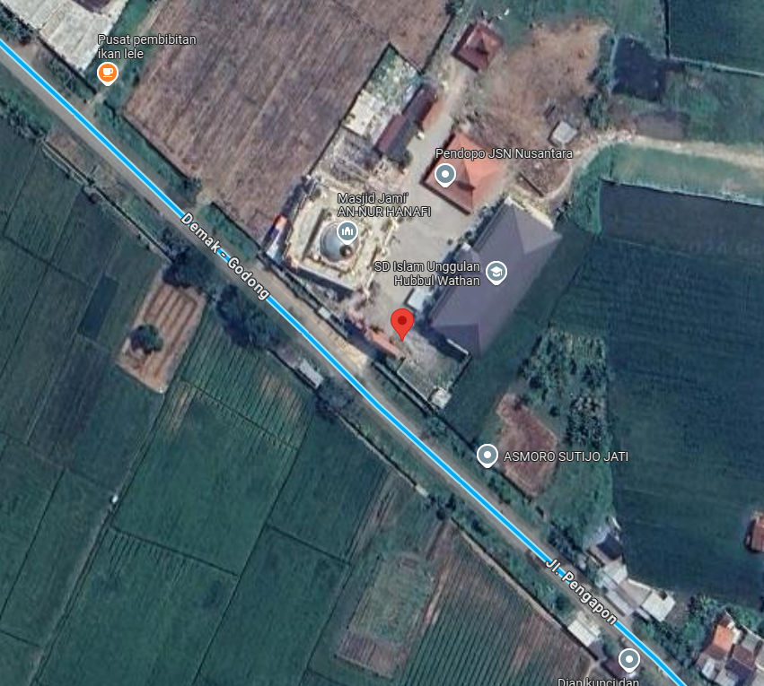
PETA LOKASI PELANGGAN

KOORDINAT :' -7.012330, 110.758462

